Sheet1
1

Open the csv file (*example member.csv") with excel

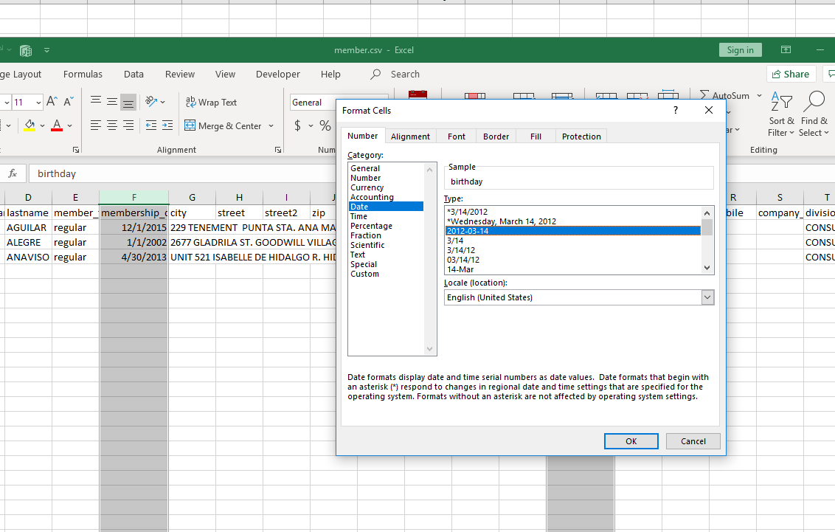
2

 | Change Date Format

